1. Title Page
[Project Name]

Project Name: Instacart Data Analysis: Final Report
Date: September 11, 2023
Analyst Name: Justin Fehlberg

Contents:
Population Flow
Consistency checks
Wrangling steps
Column derivations
Visualizations
Recommendations

2. Population Flow
Title page

Population flow

Exclusion flag
Condition: max_order < 5
Obervations to be removed: 1440295
Final total count of order_products_all: 30964564

Orders_products_combined
Orders_products_merged
Orders_products_all

Total:32404859
Total:32434489
Total: 30964564

3. Consistency checks
 |  |  |  | Title page
Consistency checks

Dataset | Missing values | Missing values treatment | Duplicates
orders | 206209 null values | No change. These values indicate new orders. | no duplicates
products | 16 null values | removed these null values. | 5 duplicate rows were found and deleted
orders_products_prior | none | none | none
customers | 11259 values under first_name | No change. The first name of a customer will not affect analysis

4. Wrangling steps
 |  |  |  | Title page
Wrangling steps

Columns dropped | Columns renamed | Columns' type changed | Comment/Reason
 | First Name' to 'first_name' |  | Maintain Uniform column names
 | Surnam' to 'last_name' |  | Maintain Uniform column names
 | Gender' to 'sex' |  | Maintain Uniform column names/ More accurately depict column name
 | STATE' to 'state' |  | Maintain Uniform column names
 | Age' to 'age' |  | Maintain Uniform column names

eval set' |  |  | Did not need this column for analysis
 | order_num_of_customer' |  | Maintain Uniform column names
 | order_day_of_week' |  | Maintain Uniform column names

5. Column derivations
 |  |  |  | Title page

Column derivations and aggregations

Dataset | New column | Column/s it was derived from | Conditions
ords_prods_merged | price_range_loc | prices | low, mid, and high range products
 | spending_flag | mean_price | low and high spender
 | loyalty_flag | max_order | loyal, regular, and new customer
 | busiest_period_of_day | order_hour_of_day | fewest, average, and most orders
 | busiest day | orders_day_of_week | least, regular, and most busy days
 | frequency_flag | median_days | non_frequent, regular,and frequent customers
cust_ords_prods | customer_activity | max_order | low and high activity customers
customer | age_group | age | 10 year age groups
customer | income_group | income
customer_departments_profile | family_type | family_status

6. Visualizations
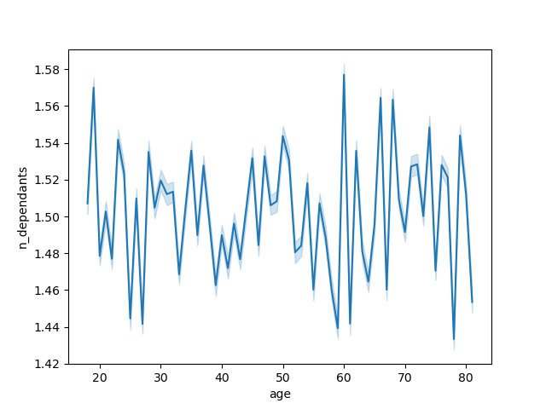
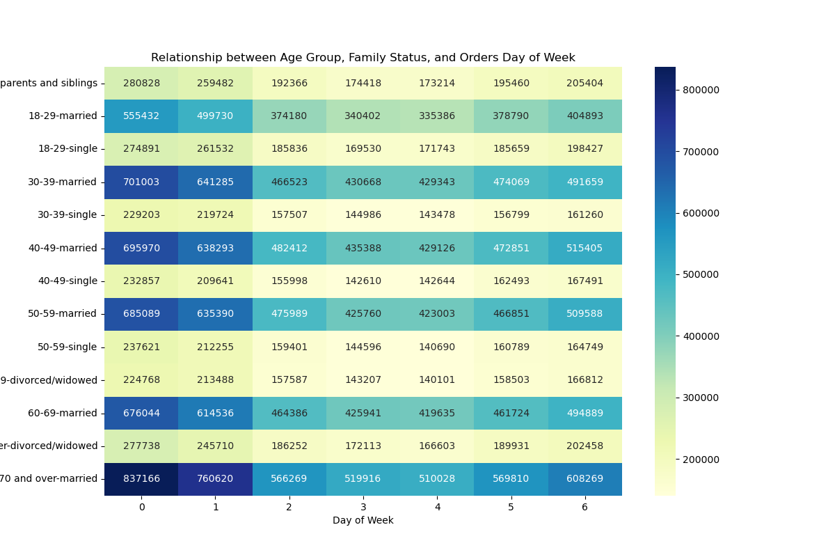
 | Title page

Visualisations

The sales team needs to know what the busiest days of the week and hours of the day are (i.e., the days and times with the most orders) in order to schedule ads at times when there are fewer orders

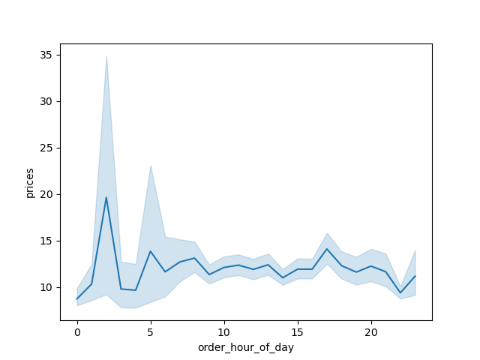

Are there certain types of products that are more popular than others? The marketing and sales teams want to know which departments have the highest frequency of product orders.

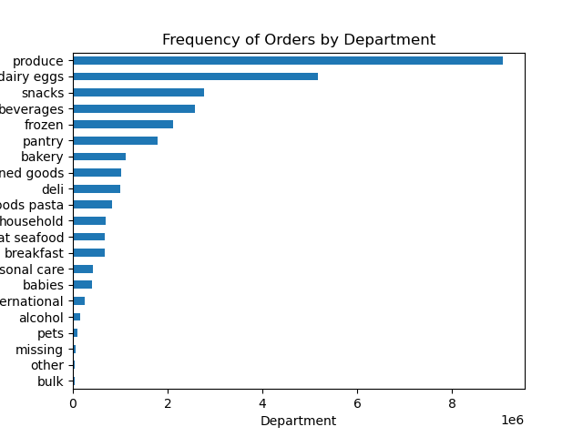

Are there differences in ordering habits based on a customer’s region?
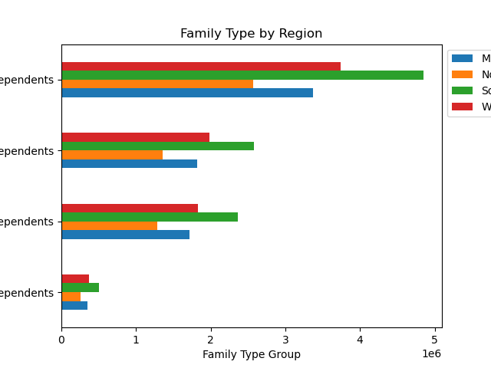
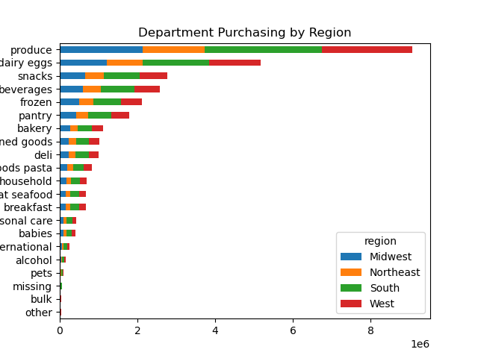
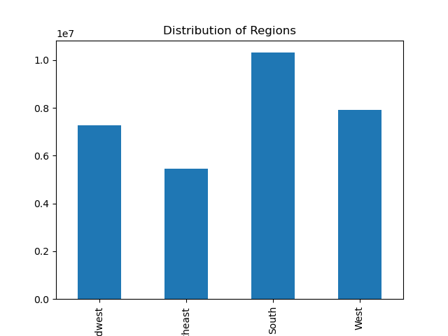

Is there a connection between age and family status in terms of ordering habits?

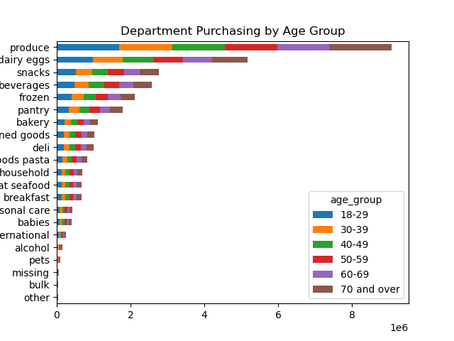
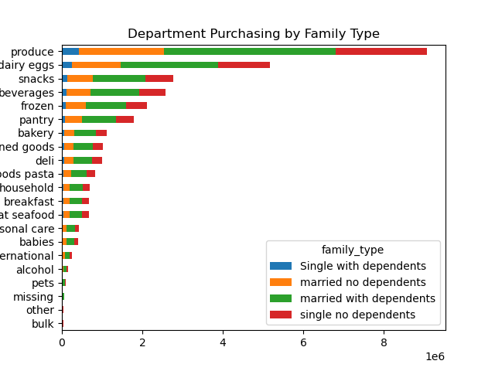
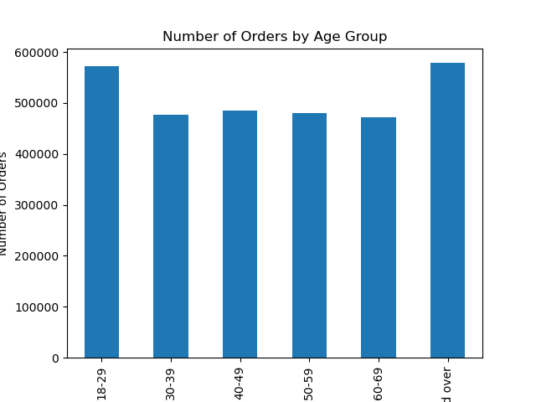

What differences can you find in ordering habits of different customer profiles? Consider the price of orders, the frequency of orders, the products customers are ordering, and anything else you can think of.

7. Recommendations
Title page

Recommendations

The sales team needs to know what the busiest days of the week and hours of the day are (i.e., the days and times with the most orders) in order to schedule ads at times when there are fewer orders.
The busiest days of the week are Saturday and Sunday. While the busiest hours of the day are between 9 am and 4 pm. In order to effeciently schedule ads during times when there are lower orders I would recommend running more ads during the week (Monday - Friday) from 4 pm until 3 am. It would not be beneficial to run ads from the hours of 3 am and 6 am as them majority of people are sleeping.

They also want to know whether there are particular times of the day when people spend the most money, as this might inform the type of products they advertise at these times
There is not a very large difference in tiime and order price. However, the highest order prices are seen between 3 and 7 am. The items that are being purchased at this time are also consistent with the most frequently ordered products in general. Becuase of this I do not recommend taking a product specific ad approach for the hours between 3 and 7 am.

Instacart has a lot of products with different price tags. Marketing and sales want to use simpler price range groupings to help direct their efforts.
It would be beneficial for Instacart to use a low price of under $5, a mid range price greater than $5 but below $20, and a high price above $20.

Are there certain types of products that are more popular than others? The marketing and sales teams want to know which departments have the highest frequency of product orders
There is a substancial differnce in frequency of orders between the products. Produce along with Dairy eggs sell more than the rest of the products combined. In order to boost sales in the lower frequency items like bulk, babies, or pets, an ad campaign that targets loyal customers to inform them that they can order more than just produce with Instacart would be beneficial.

What’s the distribution among users in regards to their brand loyalty (i.e., how often do they return to Instacart)?
Customer loyalty falls into three categories: Regular customer( under 40 orders but more than 10), Loyal Customer(over 40 orders), and New customer(under 10 orders). 51% of customers are 'regular customers', 33% are Loyal customers, and 16% are new customers. This shows that Instacart has a significant amount of brand loyualty as most customers are ordering repeatedly.
This needs further review as it would be beneficial to know how much time it takes for an average customer to move up the categories. Targeting 'regular customers' to move into the 'loyal customer category' by decreasing the time spent in the 'Regular customers' category would increase revenue.

Are there differences in ordering habits based on a customer’s loyalty status?
The data shows a very minimal difference in ordering habits between loyalty status. Targeting loyal customers based on time of the day or day of the week will not lead to an increase in revenue.

Are there differences in ordering habits based on a customer’s region?
The main difference in ordering habits by region is a dip in puirchase price in the northeast region during the middle of the week. This reaches a low average purchase price on wednesday. It would be beneficial to increase ads in the northeast for higher price items on Tuesday Wednesday and Thursday.

Is there a connection between age and family status in terms of ordering habits?
Married individual have the highest order frequency. Individual between 18 and 29 along with individual over 70 have the highest order frequency. It would be most beneficial to target these individuals for higher price items that are married and between the ages mentioned above. In order to reach a larger customer base it would be beneficial to create an ad campaign that targets single individuals as a cost effective way to order groceries.

